Sheet1
Country | Population | Landmark | Image
Vatican | 801 | St. Peter's Basilica | 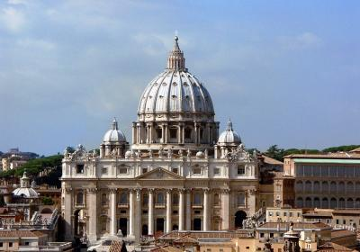
Tuvalu | 11,792 | Tuvalu Atafu Lagoon | 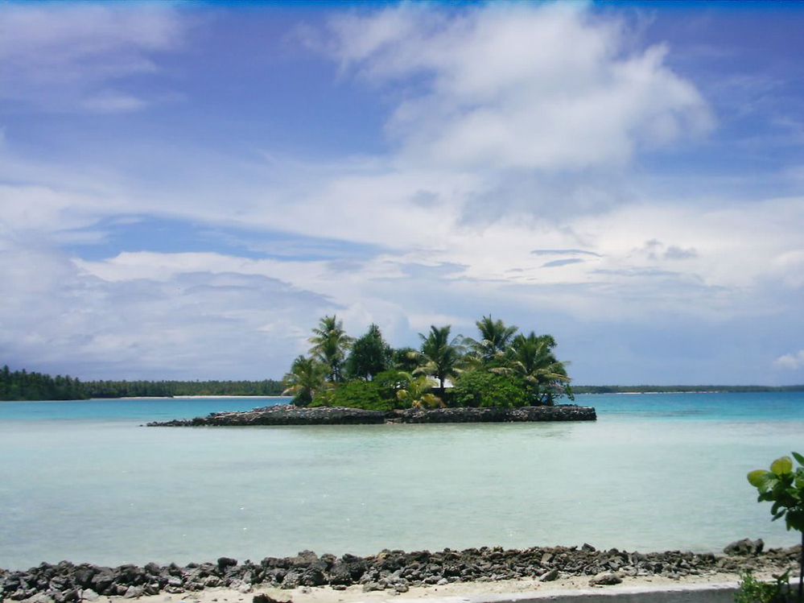
Marshall Islands | 59,190 | Corals on Majuro Atoll | 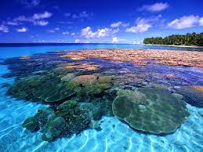
Seychelles | 98,347 | Arul Mihu Navasakthi Vinayagar Temple | 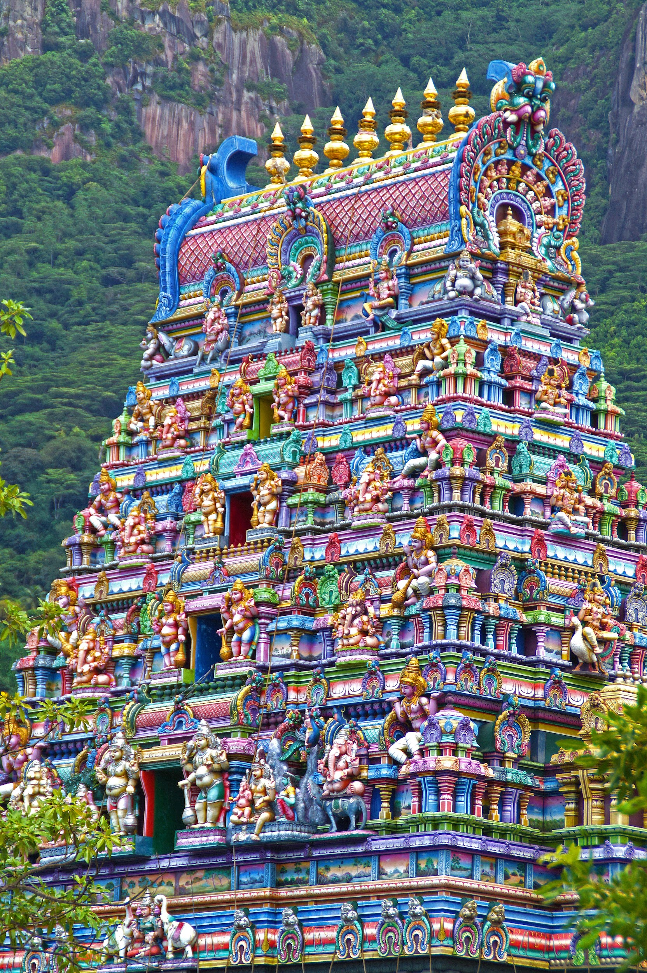
Saint Lucia | 183,627 | Local Mountains/ Carribean Sea
Maldives | 540,544 | Thoddo Masjidhul Aisha | 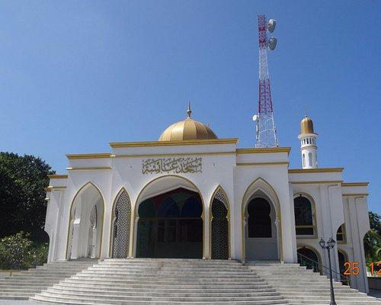
Mauritius | 1,271,768 | Kaylasson Temple | 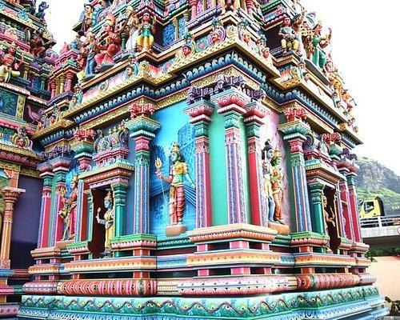
Slovenia | 2,078,938 | Dragon Bridge
Uruguay | 3,473,730 | Los Dedos Playa Brava | 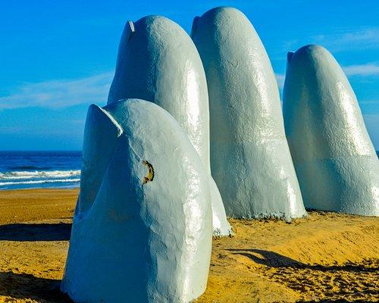
Chad | 16,425,864 | N'Djamena Cathedral
North Korea | 25,778,816 | Momument to Party Founding | 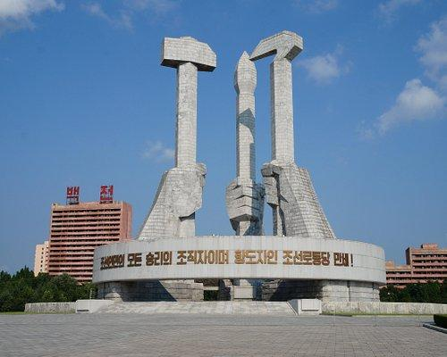
Venezuela | 28,435,940 | Angel Falls
Algeria | 43,851,044 | Magam Echahid
Philippines | 109,581,078 | Bamaue Rice Terraces
Japan | 126,476,461 | Itsukushima Shrine

